1. Title Page
[Instacart Grocery Basket ]

Project Name: Instacart Grocery Basket Analysis
Date: June 9, 2023
Analyst Name: Nick Nejadfard

Contents:
Population Flow
Consistency checks
Wrangling steps
Column derivations
Visualizations
Recommendations

Data Citation:
Customer data, as well as the "prices" column in the products data set, were both fabricated for the purpose of this project.
“The Instacart Online Grocery Shopping Dataset 2017”, Accessed from www.instacart.com/datasets/grocery-shopping-2017 via Kaggle on [date].

2. Population Flow
Title page

Population flow

Exclusion flag
Condition: max_order < 5
Obervations to be removed: 1,440,295
Final total count of order_products_all: 30,964,564

Orders_products_combined
Orders_products_merged
Orders_products_all

Total: 32,404,859
Total: 32,434,489
Total: 32,404,859

1.) The grey boxes in the first row of the population flow represent the original data sets as they were when you downloaded them. In the Total fields you need to add the count of the rows when you imported the data set into Jupyter.
2.) The second row of boxes (coloured) represents the data sets after you manipulated them, e.g., removed missing values and duplicates. In the Total fields you need to add the count of the rows after conducting these operations. This offers a visual oveview of how the data flows throughout the data consistency checks.
3.) The third row, where also the arrows are coloured, represents the merges you performed between the datasets. In the Total fields you need to add the count of the rows in the merged datasets, so that you end up with the final dataset (in the red box). Keep in mind the final dataset should be without exclusions (based on the exclusion flag).

3. Consistency checks
 |  |  |  | Title page
Consistency checks

Dataset | Missing values | Missing values treatment | Duplicates
orders | 206209 missing values in 'days_since_last_order' | Replaced NaN with 0 | No duplicates found
products | 16 missing values in 'product_name' | Dropped the rows with missing values | 5 duplicates found
orders_products_prior | No missing values |  | No duplicates found
customers | No missing values |  | No duplicates found

4. Wrangling steps
 |  |  |  | Title page
Wrangling steps

Columns dropped | Columns renamed | Columns' type changed | Comment/Reason
df_ords | Column dropped | "eval_set" | Not Needed
df_ords | Column renamed | "order_dow" to "orders_day_of_week" | Easier to understand
df_ords | Columns' type changed | "order_id" changed to string
df_ords | Columns' type changed | "user_id" changed to string
orders_products_combined | Column dropped | _merge | Not Needed
df_merged | Column dropped | 0_y | Not Needed
df_merged | Column dropped | 0_x | Not Needed
orders_products_merged | Column renamed | "order_dow" to "orders_day_of_week" | Easier to understand
orders_products_merged | New Column | busiest_day
orders_products_merged | Added | price_range
orders_products_merged_47 | Column dropped | eval_set | Not Needed
orders_products_merged_47 | New Column | max_order
orders_products_merged_47 | New Column | average_price
orders_products_merged_47 | New Column | median_prior_orders
customers | rename | surnam to Last Name
customers | rename | STATE to State
customers | rename | date_joined to Date Joined
customers | rename | n_dependants to Dependants
customers | rename | fam_status to Status
customers | Change Type | Change"First Name" to str
merge | rename | order_id to Order ID
merge | rename | user_id to User ID
merge | rename | order_number to Order Number
merge | rename | order_dow to Order Day of Week
merge | rename | order_hour_of_day to Order Hour of Day
merge | rename | days_since_prior_order to Days Since Prior Order
merge | rename | product_id to Product ID
merge | rename | add_to_cart_order to Add to Cart Order
merge | rename | reordered to Reordered
merge | rename | product_name to Product Name
merge | rename | frequency_flag to Frequency Flag
merge | remove | First Name | Removed for security reasons
merge | remove | Last Name | Removed for security reasons
merge | New Column | Region

5. Column derivations
 |  |  |  | Title page

Column derivations and aggregations

In this tab you should add tables below that the frequences of flags/label variables that you produced after deriving them. NB: don't do this for continuous variables, only for flags.
Dataset | New column | Column/s it was derived from | Conditions
orders_products_merged | price_label | prices | prices <= 5 ": Low-range product"
orders_products_merged | price_label | prices | 5 < prices <= 15: "Mid-range product"
orders_products_merged | price_label | prices | prices > 15: "High-range product"
orders_products_merged | busiest_day | orders_day_of_week | if value == 0: "Busiest day"
orders_products_merged | busiest_day | orders_day_of_week | elif value == 4: "Least busy"
orders_products_merged | busiest_day | orders_day_of_week | else: "Regularly busy"
orders_products_merged | busiest_day | orders_day_of_week | if value == 0 or value == 1: "Busiest days"
orders_products_merged | busiest_day | orders_day_of_week | elif value == 4 or value == 3: "Slowest days"
orders_products_merged | busiest_day | orders_day_of_week | else: "Regularly busy"
orders_products_merged | busiest_Period_of_day | order_hour_of_day | if value == [10, 11, 14, 15, 13, 12, 16, 9]: "Most Orders"
orders_products_merged | busiest_Period_of_day | order_hour_of_day | elif value == [17, 8, 18, 19, 20, 7, 21, 22]: "Average orders"
orders_products_merged | busiest_Period_of_day | order_hour_of_day | else: "Fewest orders"
orders_products_merged | max_order | user_id / 'order_number' | merged from 'user_id' and 'order_number'
orders_products_merged | loyalty_flag | max_order | max_order > 40: "Loyal customer"
orders_products_merged | loyalty_flag | max_order | 10 < max_order <= 40: "Regular customer"
orders_products_merged | loyalty_flag | max_order | max_order <= 10: "New customer"
orders_products_merged | Avg_price | prices | merged from 'user_id' and 'prices'
orders_products_merged | Spending_flag | avg_price | avg_price < 10: "Low spender"
orders_products_merged | Spending_flag | avg_price | avg_price >= 10: "High spender"
orders_products_merged_47 | median_prior_orders | user_id / days_since_prior_order | merged from 'user_id' and 'days_since_prior_order'
orders_products_merged_47 | frequency_flag | median_prior_orders | median_frequency > 20: "Non-frequent customer"
orders_products_merged_47 | frequency_flag | median_prior_orders | 10 < median_frequency <= 20: "Regular customer"
orders_products_merged_47 | frequency_flag | median_prior_orders | median_frequency <= 10: "Frequent customer"
merge | Region | State | "Northeast"
merge | Region | State | "Midwest"
merge | Region | State | "South"
merge | Region | State | "West"
merge | low_order_flag | max_order | Max_order < 5: "Low=activity customer"
merge | low_order_flag | max_order | Max_order >= 5: "High=activity customer"
merge | Age Profile | Age | Age <= 12 = "Child"
merge | Age Profile | Age | Age >= 13 & <=17 = "Teen"
merge | Age Profile | Age | Age >= 18 & <= 35 = "Young Adult"
merge | Age Profile | Age | Age >=36 & <=64 = "Adult"
merge | Age Profile | Age | Age >= 65 = "Old Adult"
merge | Income Profile | income | Income <=50,000 = "Low-income"
merge | Income Profile | income | Income >=50,001 & <=75,000 = "Middle Income"
merge | Income Profile | income | Income >=75,001 & <=120,000 = "High income"
merge | Income Profile | income | Income >120,000 = Very High Income"
merge | Vegan Profile | Department ID | if workinglist[11] == 0 and workinglist[15] == 0: "Vegan"
merge | Vegan Profile | Department ID | Else: "Non-vegan"
merge | Family Profile | Status / Dependants | If 'Status' == 'Married' & 'Dependants' == 0: "Married, no children"
merge | Family Profile | Status / Dependants | If 'Status' == 'Married' & 'Dependants' >= 1: "Married, with children"
merge | Family Profile | Status / Dependants | If 'Status' != 'Married' & 'Dependants' >= 1: "Married, with children"

6. Visualizations
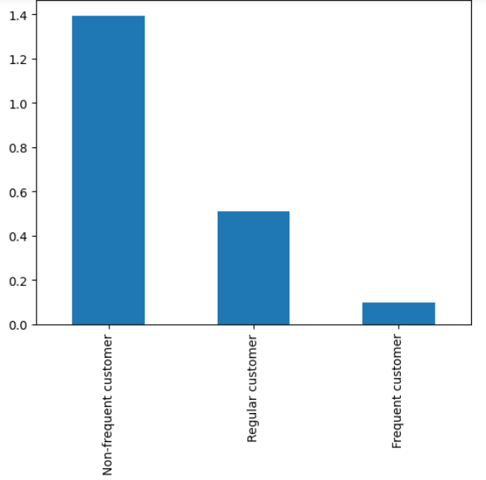
 |  | Title page

Visualisations

In this tab you should include all the visualtions from Exercises 4.9 and 4.10, alongside the questions from the project brief that they answer. Include any commentary on the relationship between different variables.

Busiest Days | Hours of the day with the highest prices


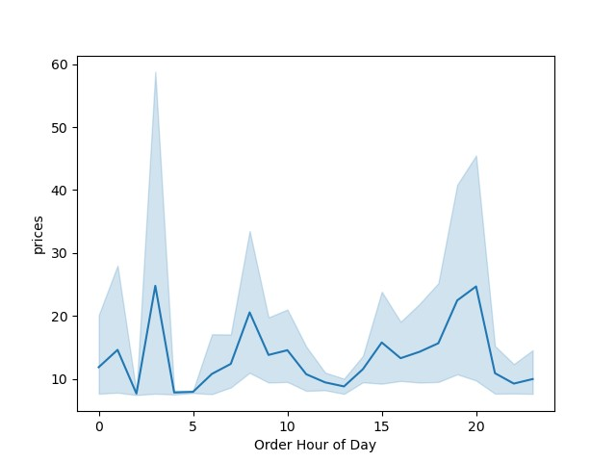

Busiest Hours | Spending Habits based on region

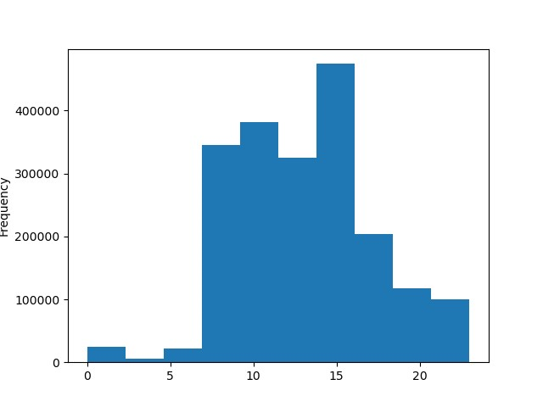
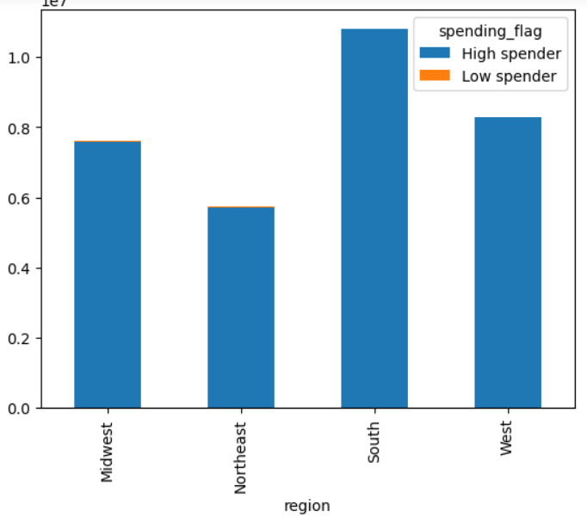

Connection between age and dependants | Connection between age and income

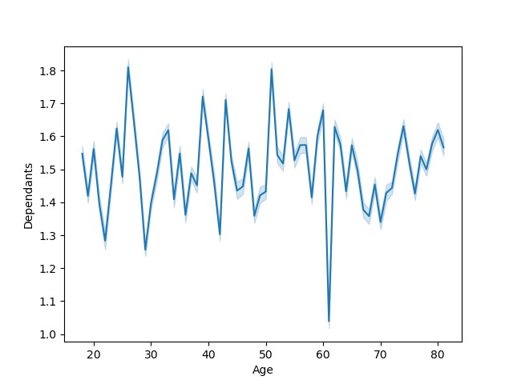
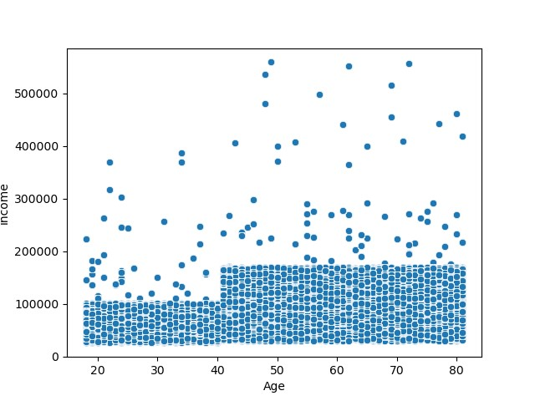

Customer frequency pattern

7. Recommendations
 |  |  |  | Title page

Recommendations

In this tab you should include any recommendations you would made to Instcart in terms of their marketing strategy based on the questions posed in the brief. Every key question has been covered in the Tasks of the Exercises - here you need to add an item - a visualisation or table/crosstable that is showing the answer in the data, acompanied by a comment from you. Please, list the questions below and add the answer underneath.

 | Question | Answer

1. What are the busiest days of the week and the busiest hours of the day?

 |  |  | 0 = Saturday
 |  |  | 1 = Sunday
 |  |  | 2 = Monday
 |  |  | 3 = Tuesday
 |  |  | 4 = Wednesday
 |  |  | 5 = Thursday
 |  |  | 6 = Friday

 | The busiest days are Saturday and Sunday. These happen to be the days that most people have off work. Focus on maximizing sales on Saturday and Sunday. Lunchtime and afternoon hours are the busiest times during the day. The 3pm hour is the busiest by far. This is generally around the time when kids are being let out from school. Recommendation is to focus around those

2. Are there particular times of the day when people spend the most money?

 | This highest spike in prices occures around 4am. This could be due to people being awake at this hour browsing the internet with nothing to do. After droping, prices spike up again around 9am and drop down in the afternoon. Towards the evening hours, prices move up again. 4am, 9am, and 8pm, are the general hours where prices peak and where ads should have the highest focus.

3. Are there differences in spending habits based on a customer's region?

 | This graph is a sample size of how most "High Spenders" and some "Low Spenders" spend their money per region. The Northeast is the lowest region by far, with the Midwest and West about even. The South however is the recommended focus because customers from the South region have the highest spending.

4. Is there a connection between age and number of dependents?

 | The data from the chart is Inconsistent and doesn't show any connection between age and family. It does show that certain age and dependants combinations are higher than others. Most ages seem to have between 1.3 and 1.6 depandants. the recommended focus because customers from the South region have the highest spending.

5. Is there a connection between age and income?

 | Most income lies bellow 200000 range. Most ages under 40 have income below 100000. For those with income above 200000, most ages are over age 50. The recommended focus should be on individuals whos age is over 40 years old.

6. Is there a pattern of customer frequency?

 | Unfortunately, this graph shows that the pattern of sales comes mostly from non-frequent customers. Regular and Frequent customers aren't returning as much as they should be and that is a problem that needs to be addresed.

